Sheet1
Points not in checklist for sql installation
change Log file count to 12
job update trigger on MSDB.SYSJOBS table and Log_on Ttrigger on server
change PageFile.sys ram value (ram*1.5) | Let infra team decide it
Update Policies By running ( gpupdate /force ) command in cmd
Create 2 paths | C:\SQLInstallation\Program Files\Microsoft SQL Server | C:\SQLInstallation\Program Files (x86)\Microsoft SQL Server
COLLATION :- SQL_Latin1_General_CP1_CI_AS
Create 1 path for ssms | C:\SQLInstallation\Program Files (x86)\Microsoft SQL Server Management Studio
Congifure MSDTC on PROD & PRE-PROD servers

IMP POINT: set initial size and autogrowth same for all tempdb files.

Create alerts for Deadlock and Tempdb | Remove job history limit from agent
 | USE [msdb]
 | GO
 | EXEC msdb.dbo.sp_set_sqlagent_properties @jobhistory_max_rows=-1, @jobhistory_max_rows_per_job=-1
if only sql services are require |  |  | @jobhistory_max_rows_per_job=-1

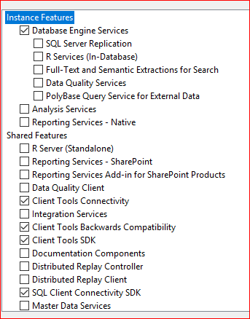
Select Replication feature on PROD & PRE-PROD servers

Sheet2
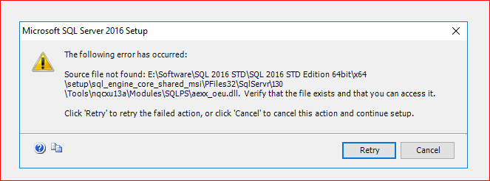

Setup corrupted

